Introduction
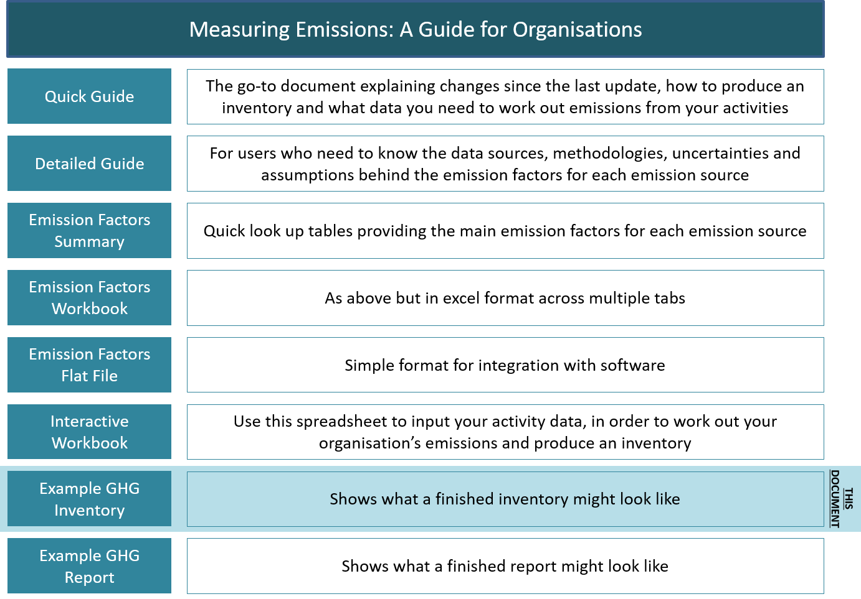
Measuring Emissions: A Guide for Organisations – 2019
Case Study: An Example GHG Report

Purpose of this case study
The Ministry for the Environment supports organisations acting on climate change. We recognise there is strong interest from organisations across New Zealand to measure, report and reduce their emissions. We have prepared this guide to help you measure and report your organisation's greenhouse gas (GHG) emissions. Measuring and reporting emissions empowers organisations to manage and reduce emissions more effectively over time.
The guide aligns with and endorses the use of the GHG Protocol and ISO 14064-1 (see the Quick Guide, section 1.3), and provides methods to apply emission factors to produce a GHG inventory (see Detailed Guide or Quick Guide).
The Case Study is a new addition to the tenth version of the guidance.
This Case Study is part of a suite of documents that comprise Measuring Emissions: A Guide for Organisations, as outlined in figure 1. It is an Example GHG Inventory to show what an inventory might look like, and should be read alongside the Example GHG Report. For more information about producing a GHG report, see the Quick Guide, section 2.
Figure 1: Documents in Measuring Emissions: A Guide for Organisations

Emissions summary
 | Component gas (expressed as tonnes of CO2e)
 | CO2 | CH4 | N2O | HFCs | PFCs | SF6 | Total t CO2e
Scope 1 | 1,230.75 | 133.84 | 7.92 | 14.12 | - | - | 1,386.63
Scope 2 | 224.82 | 10.60 | 0.21 | - | - | - | 235.63
Scope 3 | 8,329.92 | 19.99 | 119.03 | - | - | - | 8,468.94
Total | 9,785.49 | 164.43 | 127.16 | 14.12 | - | - | 10,091.20

Emissions by business unit
Business unit | 2017
OPQ Construction/General Operations | 7,081.00
Other/William Hall Quarry Ltd > Eketahuna Quarry | 2,839.83
OPQ Construction/L&M Project Engineering/Christchurch | 1,494.80
OPQ Construction/Pipeline/Dunedin | 974.96
OPQ Construction/All business units | 332.46
Other/OPQ Construction/William Hall Quarry/New Plymouth | 129.99
Other/OPQ Construction/L&M Project Engineering/Christchurch | 78.50
OPQ Construction/Head office | 63.60
OPQ Construction | 14.39
Other/OPQ Construction/Head office | 0.00

Emissions by source
Activity | 2017
Freight shipping container (average) | 5,612.39
Forest - harvested | 4,733.03
Aluminium | 1,050.20
Private car default - petrol, <3000cc | 1,041.05
LPG stationary commercial | 960.84
Steel virgin: structural | 444.60
Electricity | 253.48
Jet kerosene | 183.70
Livestock - beef cattle | 92.03
Wood chips industry | 78.50
Freight average truck | 75.43
Air travel long haul (business) | 68.84
Private car default - diesel, <3000cc | 55.39
Air travel domestic (average) | 41.61
Petrol regular | 40.05
Diesel - mobile | 38.93
Livestock - sheep | 37.96
Rental car - petrol | 18.99
HCFC-22 (R-22, Genetron 22 or Freon 22) | 14.12
Freight - coastal shipping | 12.42
Air travel short haul (econ) | 11.11
Freight rail | 10.80
Air travel long haul (econ) | 9.53
Fertiliser nitrogen (N) | 8.79
Concrete 30 MPa | 3.33
Waste landfilled - LFGR - general | 2.06
Waste landfilled - LFGR - paper | 2.06
Waste landfilled - LFGR - food | 1.06
Taxi (regular) | 0.44
Bioethanol | 0.00
Biodiesel | 0.00
Forest - growth | -1,893.19

